Money Flow
 |  |  |  |  |  |  |  |  |  |  | 
Personal | Week | Fortnight | Month | Quarter | BiAnnual | Annual | Comments |  | Lifestyle | Bills | Goals
Food |  |  |  |  |  |  |  |  | $- | $- | $-
Clothing |  |  |  |  |  |  |  |  | $- | $- | $-
Phone |  |  |  |  |  |  |  |  | $- | $- | $-
Internet |  |  |  |  |  |  |  |  | $- | $- | $-
Pay TV |  |  |  |  |  |  |  |  | $- | $- | $-
Alcohol |  |  |  |  |  |  |  |  | $- | $- | $-
Cigarettes |  |  |  |  |  |  |  |  | $- | $- | $-
Hair / Beauty |  |  |  |  |  |  |  |  | $- | $- | $-
Other |  |  |  |  |  |  |  |  | $- | $- | $-

Housing | Week | Fortnight | Month | Quarter | BiAnnual | Annual | Comments |  | Lifestyle | Bills | Goals
Council Rates |  |  |  |  |  |  |  |  | $- | $- | $-
Insurance |  |  |  |  |  |  |  |  | $- | $- | $-
Repairs & Maintenance |  |  |  |  |  |  |  |  | $- | $- | $-
Rent / Mortgage |  |  |  |  |  |  |  |  | $- | $- | $-
Gas |  |  |  |  |  |  |  |  | $- | $- | $-
Water |  |  |  |  |  |  |  |  | $- | $- | $-
Electricity |  |  |  |  |  |  |  |  | $- | $- | $-
Furniture & Appliances |  |  |  |  |  |  |  |  | $- | $- | $-
Gardening |  |  |  |  |  |  |  |  | $- | $- | $-
Other |  |  |  |  |  |  |  |  | $- | $- | $-

Investment Properties | Week | Fortnight | Month | Quarter | BiAnnual | Annual | Comments |  | Lifestyle | Bills | Goals
Council Rates |  |  |  |  |  |  |  |  | $- | $- | $-
Body Corporate Fees |  |  |  |  |  |  |  |  | $- | $- | $-
Insurance |  |  |  |  |  |  |  |  | $- | $- | $-
Repairs & Maintenance |  |  |  |  |  |  |  |  | $- | $- | $-
Mortgage Repayments |  |  |  |  |  |  |  |  | $- | $- | $-
Furniture & Appliances |  |  |  |  |  |  |  |  | $- | $- | $-
Gardening |  |  |  |  |  |  |  |  | $- | $- | $-
Other |  |  |  |  |  |  |  |  | $- | $- | $-

Transport | Week | Fortnight | Month | Quarter | BiAnnual | Annual | Comments |  | Lifestyle | Bills | Goals
Registration / Licensing |  |  |  |  |  |  |  |  | $- | $- | $-
Insurance |  |  |  |  |  |  |  |  | $- | $- | $-
Car Repayments |  |  |  |  |  |  |  |  | $- | $- | $-
Car Maintenance & Servicing |  |  |  |  |  |  |  |  | $- | $- | $-
Petrol |  |  |  |  |  |  |  |  | $- | $- | $-
Road Tolls & Parking |  |  |  |  |  |  |  |  | $- | $- | $-
Public Transport Fares |  |  |  |  |  |  |  |  | $- | $- | $-
Taxi Fares |  |  |  |  |  |  |  |  | $- | $- | $-
Airfares |  |  |  |  |  |  |  |  | $- | $- | $-
Other |  |  |  |  |  |  |  |  | $- | $- | $-

Children / Dependants | Week | Fortnight | Month | Quarter | BiAnnual | Annual | Comments |  | Lifestyle | Bills | Goals
Education |  |  |  |  |  |  |  |  | $- | $- | $-
School Books & Uniforms |  |  |  |  |  |  |  |  | $- | $- | $-
Childcare |  |  |  |  |  |  |  |  | $- | $- | $-
Toys |  |  |  |  |  |  |  |  | $- | $- | $-
Maintenance Payments |  |  |  |  |  |  |  |  | $- | $- | $-
Sporting Exercises |  |  |  |  |  |  |  |  | $- | $- | $-
Pet Food |  |  |  |  |  |  |  |  | $- | $- | $-
Vet Fees / Vaccinations |  |  |  |  |  |  |  |  | $- | $- | $-
Other |  |  |  |  |  |  |  |  | $- | $- | $-

Entertainment | Week | Fortnight | Month | Quarter | BiAnnual | Annual | Comments |  | Lifestyle | Bills | Goals
Mags / CDs / Books / DVDs |  |  |  |  |  |  |  |  | $- | $- | $-
Gifts |  |  |  |  |  |  |  |  | $- | $- | $-
Restaurants & Outings |  |  |  |  |  |  |  |  | $- | $- | $-
Sports |  |  |  |  |  |  |  |  | $- | $- | $-
Sports / Gym Memberships |  |  |  |  |  |  |  |  | $- | $- | $-
Holidays |  |  |  |  |  |  |  |  | $- | $- | $-
Credit Cards / Store Cards |  |  |  |  |  |  |  |  | $- | $- | $-
Other |  |  |  |  |  |  |  |  | $- | $- | $-

Other Expenses | Week | Fortnight | Month | Quarter | BiAnnual | Annual | Comments |  | Lifestyle | Bills | Goals
Personal Insurances |  |  |  |  |  |  |  |  | $- | $- | $-
Private Health Cover |  |  |  |  |  |  |  |  | $- | $- | $-
Medical Expenses |  |  |  |  |  |  |  |  | $- | $- | $-
Optical / Dental Costs |  |  |  |  |  |  |  |  | $- | $- | $-
Investment loan repayments |  |  |  |  |  |  |  |  | $- | $- | $-
Ongoing advisory fees |  |  |  |  |  |  |  |  | $- | $- | $-
Tax payable (if self-employed) |  |  |  |  |  |  |  |  | $- | $- | $-
Donations |  |  |  |  |  |  |  |  | $- | $- | $-
Personal loan repayments |  |  |  |  |  |  |  |  | $- | $- | $-
Professional memberships |  |  |  |  |  |  |  |  | $- | $- | $-
Professional Texts |  |  |  |  |  |  |  |  | $- | $- | $-
Other |  |  |  |  |  |  |  |  | $- | $- | $-

Total Annual Income After Tax (Inflow) |  |  |  |  |  |  |  | Annual | $0.00 | $0.00 | $0.00
Total Annual Expenses (Outflow) |  |  |  |  |  | $0.00 |  |  | $0.00 | $0.00 | $0.00
 |  |  |  |  |  |  |  |  | Weekly | Monthly | Monthly
Total Net Flow |  |  |  |  |  | $0.00

Do you have questions? Watch the short video we've prepared for you in Step 3.

If you still have questions after watching the video, please get in touch with Vivian via email: vivian@simplewealthcoaching.com.au or phone call 0433 307 880. She's here to help.

Diagram
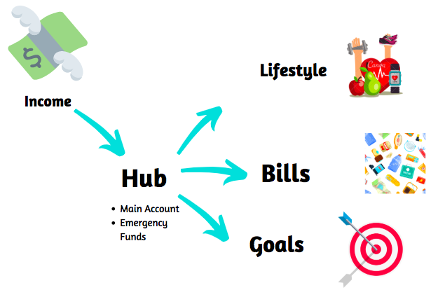

Do you have questions? Watch the short video we've prepared for you in Step 3.

If you still have questions after watching the video, please get in touch with Vivian via email: vivian@simplewealthcoaching.com.au or phone call 0433 307 880. She's here to help.

